Contact information
Bioresources physical and contract information |  | Hafren Dyfrdwy

Purpose | This spreadsheet provides information about water and sewerage company sewage sludge production sites (known as wastewater treatment works (WwTWs) and sludge treatment facilities (STCs). It is provided in line with guidelines published by Ofwat on its website. Its purpose is to facilitate conversations between companies and third parties to explore market opportunities. It does not include all information that may be defined within a contract. Companies are required to provide data under the columns marked mandatory. Any additional information can be provided on a voluntary basis. | The water and sewerage company areas in England and Wales
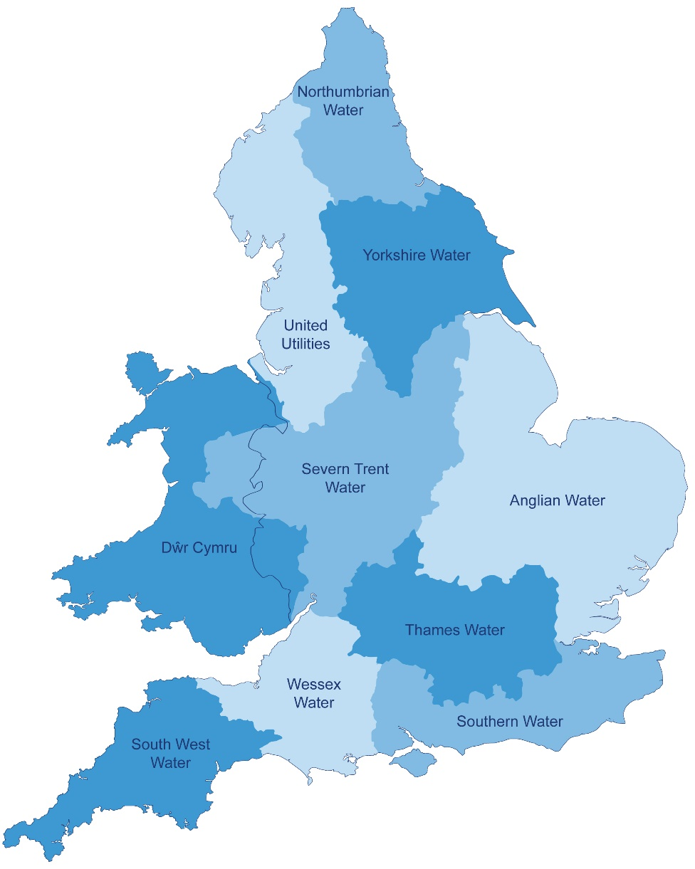
Water and Sewerage Company name | Hafren Dyfrdwy
Financial Year the data relates to | 2018-19
Date the spreadsheet was published | Jun-19
Contact details for anyone wanting to discuss commercial opportunities arising from this information | Leah Fry - Head of Bioresources (leah.fry@severntrent.co.uk) Simon Farris - Bioresources strategy manager (simon.farris@severntrent.co.uk) Adrew Lee - Bioresoruces commercial manager (andrew.lee@severntrent.co.uk)
Brief description of geographical boundary of data included here | See map included on the Hafren Dyfrdwy website: https://www.hdcymru.co.uk/about-us/overview/ The areas highlighted in green are the new Hafren Dyfrdwy wervice region. The data included in this submission is the full year (01/04/2018 - 31/03/2019) sludge throughput for the listed sites rather than the volume submitted in the APR submission, as Hafren Dyfrdwy commenced operations from July (therefore only 9 months). This was done to provide an easier, more consistent view of the sludge available in the region for a full year.

Brief description of level of data assurance | We utilised a three stage approach to assurance: • 1st Line assurance, typically performed by staff with technical knowledge in that area and a familiarity with the data being published • 2nd Line assurance performed staff with some technical knowledge and independent of the data provider and the 1st line assurance • Independent 3rd Line assurance undertaken by Internal Audit. • Reviewed by Severn Trent Disclosure Committee

Summary of significant changes since the most recently previously published version of the information and this version | Hafren Dyfrdwy is the newly created Welsh Water business combining Dee Valley and Severn Trent's Welsh activities. As such, all information presented is new for Hafren Dfyrdwy but was previously disclosed in the Severn Trent submission.

 | Key: Input cell colour

Spreadsheet template version 2, October 2017

